FUSION1
Binary Classification | Agness33 |  | 0 | 1 |  | Fusion Eval. |  | Building name: | Agness33
 |  |  | outdoor | indoor

 |  | Note: We interpolated all the datasets over data collection time interval, then fused them
 |  | Raw | Magnetic |  |  |  |  |  |  | Fusion Result: Light edges as ground truth
 |  | flags | Binary classification result

 |  | n= 565964 |  | indoor | outdoor | SUM
 |  |  |  | T | F
 |  | indoor | T | 323531 | 7755 | 331286 |  | sum | 565964
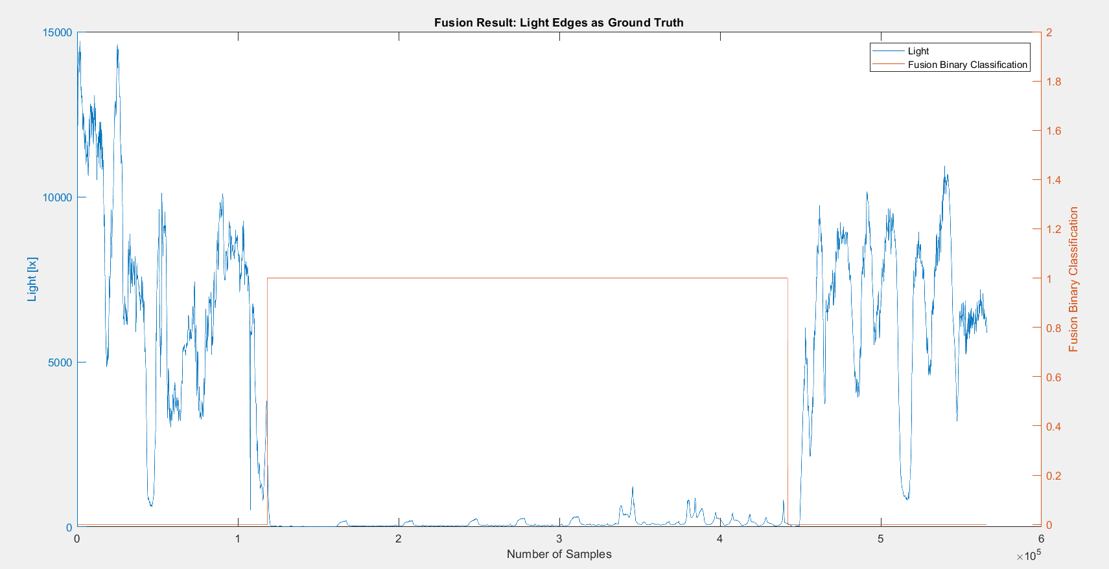
 |  | outdoor | F | 0 | 234678 | 234678
 |  | SUM |  | 323531 | 242433

 |  |  |  | sum | 565964

 |  | TP or (Recall) | 0.97659122329
 |  | TN | 1
 |  | Precision | 1 |  |  |  | Ground Truth
 |  | Accuracy | 0.98629771505 |  |  |  | 118501 | 449787
 |  | F Score | 0.98815699653

 |  | Ground truth: | large edges of light or gps at entrances.

FUSION2
Binary Classification | Agness33 |  | 0 | 1 |  | Fusion Eval. |  | Building name: | Agness33
 |  |  | outdoor | indoor

 |  | Note: We interpolated all the datasets over data collection time interval, then fused them
 |  | Raw | Magnetic |  |  |  |  |  |  | Fusion Result: Light edges as ground truth
 |  | flags | Binary classification result

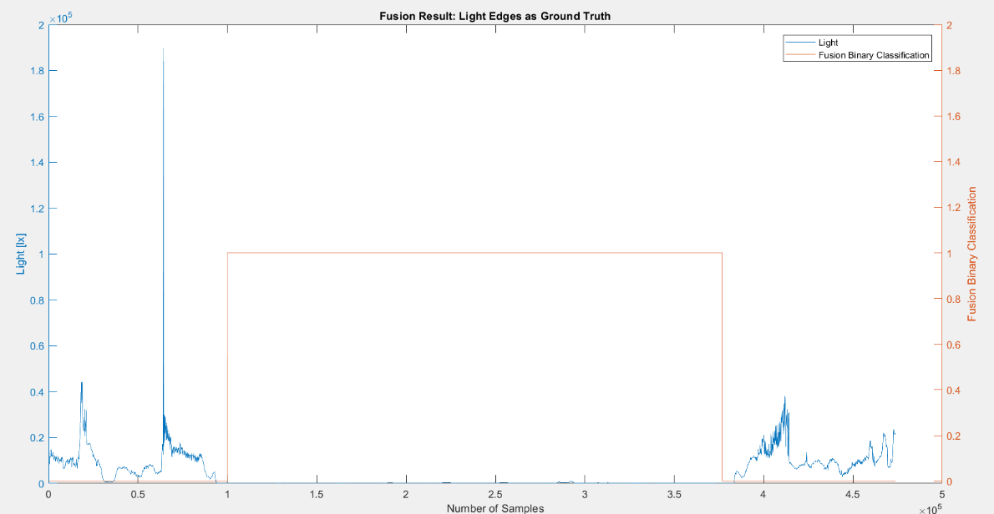
 |  | n=473696 |  | indoor | outdoor | SUM
 |  |  |  | T | F
 |  | indoor | T | 276847 | 11988 | 288835 |  | sum | 473696
 |  | outdoor | F | 0 | 184861 | 184861
 |  | SUM |  | 276847 | 196849

 |  |  |  | sum | 473696

 |  | TP or (Recall) | 0.95849533471
 |  | TN | 1
 |  | Precision | 1 |  |  |  | Ground Truth
 |  | Accuracy | 0.97469262987 |  |  |  | 94372 | 383207
 |  | F Score | 0.97880788146

 |  | Ground truth: | large edges of light or gps at entrances.

FUSION3
Binary Classification | Agness33 |  | 0 | 1 |  | Fusion Eval. |  | Building name: | Agness33
 |  |  | outdoor | indoor

 |  | Note: We interpolated all the datasets over data collection time interval, then fused them
 |  | Raw | Magnetic |  |  |  |  |  |  | Fusion Result: Light edges as ground truth
 |  | flags | Binary classification result

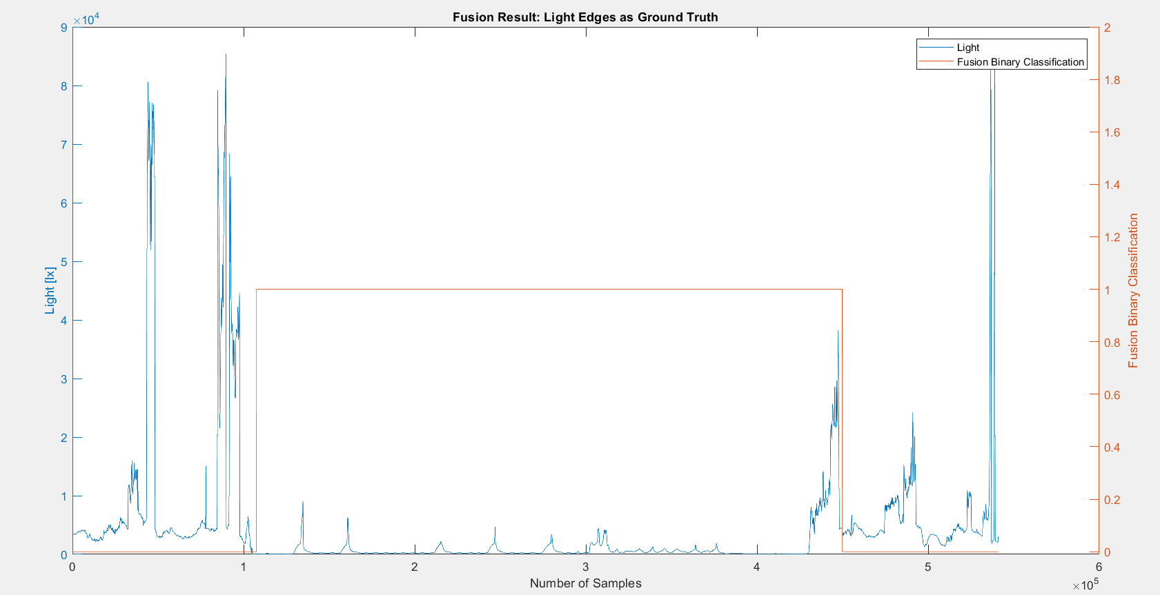
 |  | n=541134 |  | indoor | outdoor | SUM
 |  |  |  | T | F
 |  | indoor | T | 321987 | 2367 | 324354 |  | sum | 541134
 |  | outdoor | F | 20302 | 196478 | 216780
 |  | SUM |  | 342289 | 198845

 |  |  |  | sum | 541134

 |  | TP or (Recall) | 0.99270241773
 |  | TN | 0.90634744903
 |  | Precision | 0.94068754766 |  |  |  | Ground Truth
 |  | Accuracy | 0.95810834285 |  |  |  | 105241 | 429595
 |  | F Score | 0.96599529283

 |  | Ground truth: | large edges of light or gps at entrances.

FUSION4
Binary Classification | Agness33 |  | 0 | 1 |  | Fusion Eval. |  | Building name: | Agness33
 |  |  | outdoor | indoor

 |  | Note: We interpolated all the datasets over data collection time interval, then fused them
 |  | Raw | Magnetic |  |  |  |  |  |  | Fusion Result: GPS edges as ground truth since light was from night and not reliable
 |  | flags | Binary classification result

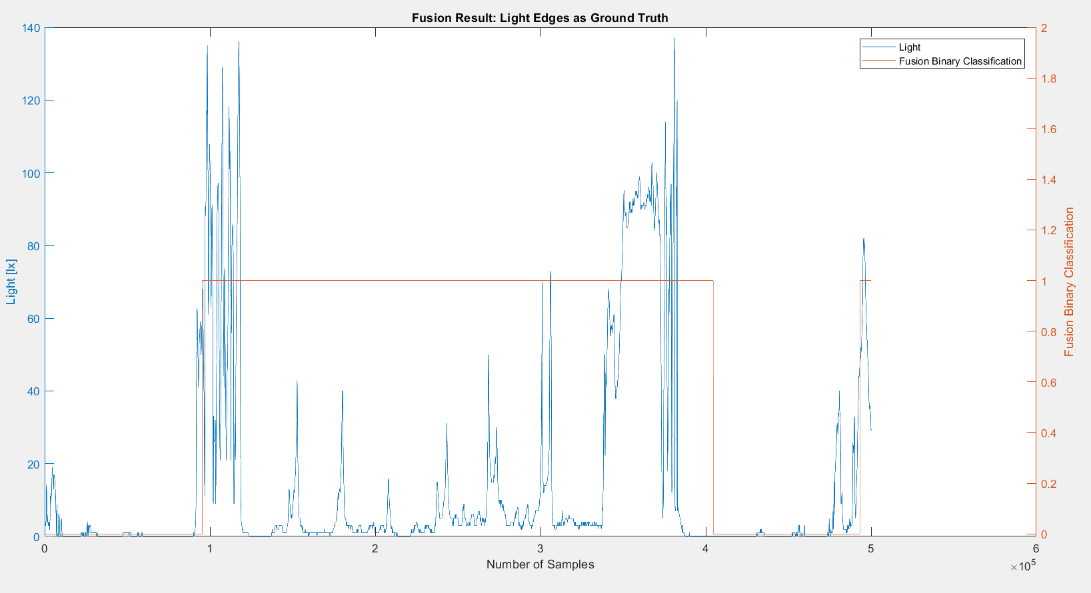
 |  | n=500212 |  | indoor | outdoor | SUM
 |  |  |  | T | F
 |  | indoor | T | 287342 | 3861 | 291203 |  | sum | 500212
 |  | outdoor | F | 21658 | 187351 | 209009
 |  | SUM |  | 309000 | 191212

 |  |  |  | sum | 500212

 |  | TP or (Recall) | 0.98674120802
 |  | TN | 0.89637766795
 |  | Precision | 0.92990938511 |  |  |  | Ground Truth
 |  | Accuracy | 0.94898363094 |  |  |  | 91640 | 382843
 |  | F Score | 0.95748271835

 |  | Ground truth: | large edges of light or gps at entrances.

